시트1
Project Name: | NextLevel Research Conference Management System
Test CaseID | T3.8
Test Case Description | Conference chair allocate papers to reviewers manually
Created by: | Yechan Kim
Date of testing: | 27th October 2022
Actor: | Conference Chair
Pre-condition: | Any of the authors submitted at least one paper.
 | Reviewers should have put in bidding.
 | Conference Chair is on the Allocate Papers page.

Test Step | Step Details | Test Data | Expected Results | Actual Results | Pass/Fail/Not executed/Suspended | Screenshots, if possible | Remarks
T3.8 - 1 | Conference chair clicks "allocate" button on respective paper. |  | System will direct user to paper allocation page that lets conference chair to choose reviewer for that paper. The user will be able to see the paper details. Together with a list of reviewers that have bidded for the paper. | System will direct user to paper allocation page that lets conference chair to choose reviewer for that paper. | Pass | 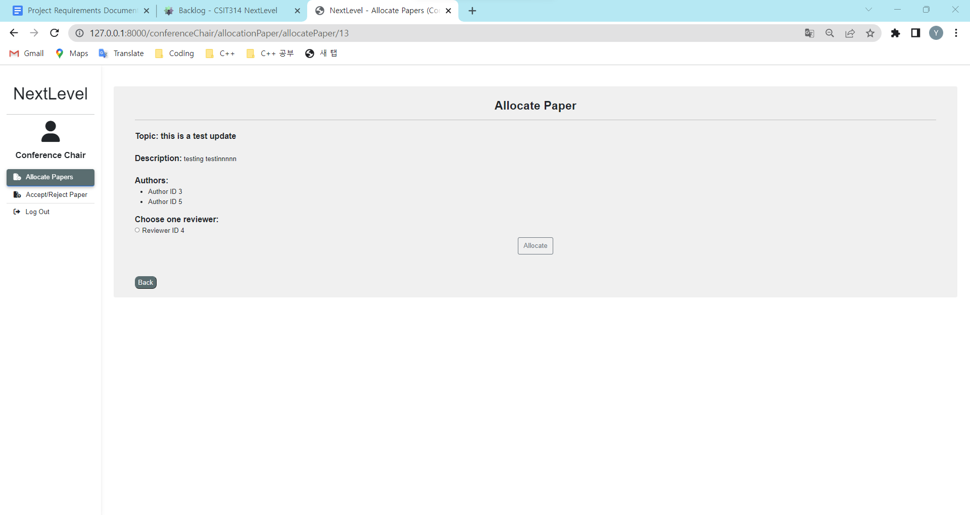
T3.8 - 2 | Conference chair allocate author to the paper that was chosen in T3.8 - 1. |  | System will mark the selected reviewer. The user can select a reviewer. | System will mark the selected author. | Pass | 
T3.8 - 3 | Conference chair clickes "Allocate" button. |  | System will allocate paper to that particular reviewer, and direct user to the paper allocation display page with update information. The user will be able to see that the selected reviewer is now in the "Allocated Papers" Section. A success message should be shown. | System will allocate paper to that particular reviewer, and direct user to the paper allocation display page with update information. | Pass | 